Intro
SD9- Seahorse MitoTracker
Seahorse metabolic results and MitoTracker results

Sheets | Description
Seahorse_1 | Seahorse results run 1: HCT116, UBE2H-KO, UBE2H-KO with bulk UBE2H-OE
Seahorse_2 | Seahorse results run 1: HCT116, UBE2H-KO, UBE2H-KO with UBE2H-OE single cell clones
Seahorse_3 | Seahorse results run 1: HCT116, UBE2H-KO, UBE2H-KO with UBE2H-OE single cell clones
MitoTracker_1 | Mitotracker results run 1: HCT116, UBE2H-KO, UBE2H-KO with UBE2H-OE single cell clones
MitoTracker_2 | Mitotracker results run 2: HCT116, UBE2H-KO, UBE2H-KO with UBE2H-OE single cell clones

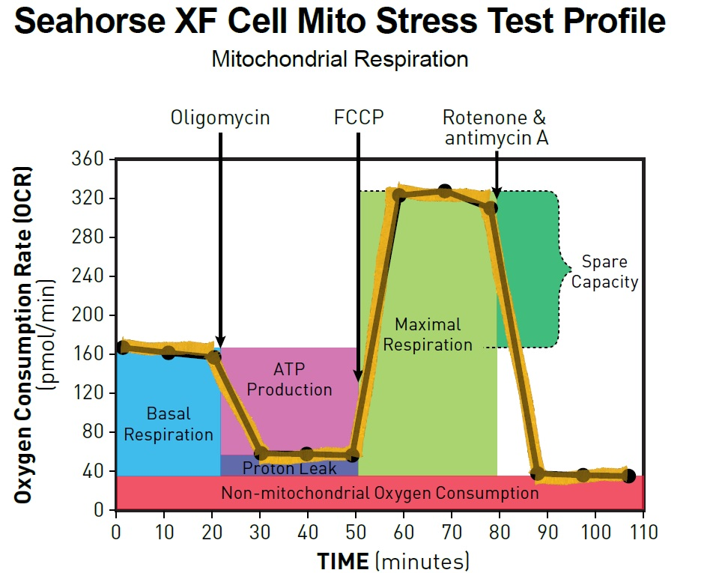
Seahorse Mitochondrial Stress Test:
Column | Description
Group Name | Cell Line ID
Assay Wells | Well ID
Non-Mitochondrial Oxygen Consumption | Non-mitochondrial oxygen consumption rate (pmol/min/1000 cells), OCR after Rot/AA
Basal Respiration | basal respiration, oxygen consumotion rate (pmol/min/1000 cells)
Maximal Respiration | Maximal respiration rate (pmol/min/1000 cells), OCR after FCCP
Proton Leak | Proton leak (pmol/min/1000 cells), OCR after Oligomycin
ATP Production | Mitochondrial ATP production (pmol/min/1000 cells), difference in OCR before and after Oligomycin
Spare Respiratory Capacity | Spare Respiratory Capacity (pmol/min/1000 cells), difference between max and basal respiration
Spare Respiratory Capacity as a % | Spare Respiratory Capacity as a percent of basal respiration
Coupling Efficiency | Coupling efficienct
Acute Response | NA
CellCoverage | Was cell coverage of the well high? Or did cells not grow well
AZ3146 | AZ3146 treatment?
AZ.ATP.Diff | Difference in ATP production between AZ treated and mean of untreater, per cell line
AZ.Basal.Diff | Difference in Basal respiration between AZ treated and mean of untreater, per cell line

MitoTracker:
Data | Description
Tube Name: | Cell line and well ID
FSC | Forward scatter measures cell size
SSC | Side scatter measures cell density
Violet610 | Hoechst fluorescence laser
PE | MitoTracker fluorescence laser
Hoechst.Events | Number of cells (gated for cell size and Hoechst content)
Hoechst.Mean.PE.A | Mean Mitotracker (PE fluorescence) in Hoechst containing cells
Hoechst.Mean.FSC.A | Mean cell size (forward scatter) in Hoechst containing cells
Hoechst.Mean.Violet610.A | Mean Hoechst stain (Violet610 fluorescence) in Hoechst containing cells

